Sheet1
Questions on Percentile and Quartiles

 | Salaries | Quartiles
 | 40
 | 45 | Q1 | 126.25
 | 50 | Q2 | 252.5
 | 55 | Q3 | 378.75
 | 60
 | 62
 | 65 | Percentiles
 | 68
 | 70 | 10 | 72.3
 | 72 | 25 | 126.25
 | 75 | 75 | 378.75
 | 78 | 90 | 454.5
 | 80
 | 82 | Interpretation | Based on the quartiles 25% employees salary under 127 , 50% employees salary around 252 and maximum 75% employees salary 377 and more.
 | 85
 | 88
 | 90
 | 92 |  | Based on the percentiles 10% employees salary under 72, 25% employees salary around 126 ,75% employees salary around 378 and 90% employees salary 454 and above.
 | 95
 | 100
 | 105
 | 110
 | 115
 | 120
 | 125
 | 130
 | 135
 | 140
 | 145
 | 150
 | 155
 | 160
 | 165
 | 170
 | 175
 | 180
 | 185
 | 190
 | 195
 | 200
 | 205
 | 210
 | 215
 | 220
 | 225
 | 230
 | 235
 | 240
 | 245
 | 250
 | 255
 | 260
 | 265
 | 270
 | 275
 | 280
 | 285
 | 290
 | 295
 | 300
 | 305
 | 310
 | 315
 | 320
 | 325
 | 330
 | 335
 | 340
 | 345
 | 350
 | 355
 | 360
 | 365
 | 370
 | 375
 | 380
 | 385
 | 390
 | 395
 | 400
 | 405
 | 410
 | 415
 | 420
 | 425
 | 430
 | 435
 | 440
 | 445
 | 450
 | 455
 | 460
 | 465
 | 470
 | 475
 | 480
 | 485
 | 490
 | 495
 | 500

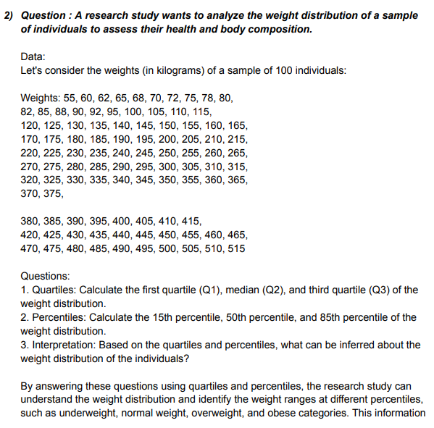
 | Weights |  | Quartiles
 | 55 |  | Q1 | 141.25
 | 60 |  | Q2 | 267.5
 | 62 |  | Q3 | 393.75
 | 65
 | 68
 | 70 |  | Percentiles
 | 72 |  | 15 | 92.45
 | 75 |  | 50 | 267.5
 | 78 |  | 85 | 444.25
 | 80
 | 82
 | 85 | Interpretation | Based on the quartiles less then 25% weight below 141.25 kg, 50% weight around 267.5 kg and 75% weight above 393.75kg .
 | 88
 | 90
 | 92
 | 95 |  | Based on the percentiles less then 15% weight below 92.45kg, 50% weight around 267.5 kg and 85% weight above 444.25kg
 | 100
 | 105
 | 110
 | 115
 | 120
 | 125
 | 130
 | 135
 | 140
 | 145
 | 150
 | 155
 | 160
 | 165
 | 170
 | 175
 | 180
 | 185
 | 190
 | 195
 | 200
 | 205
 | 210
 | 215
 | 220
 | 225
 | 230
 | 235
 | 240
 | 245
 | 250
 | 255
 | 260
 | 265
 | 270
 | 275
 | 280
 | 285
 | 290
 | 295
 | 300
 | 305
 | 310
 | 315
 | 320
 | 325
 | 330
 | 335
 | 340
 | 345
 | 350
 | 355
 | 360
 | 365
 | 370
 | 375
 | 380
 | 385
 | 390
 | 395
 | 400
 | 405
 | 410
 | 415
 | 420
 | 425
 | 430
 | 435
 | 440
 | 445
 | 450
 | 455
 | 460
 | 465
 | 470
 | 475
 | 480
 | 485
 | 490
 | 495
 | 500
 | 505
 | 510
 | 515

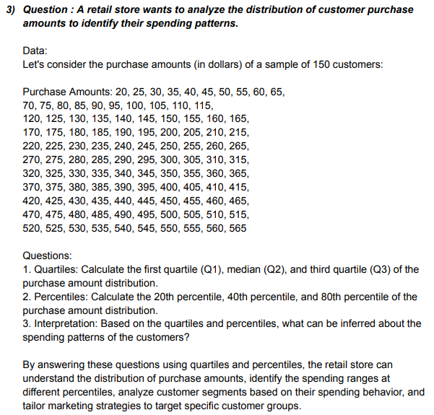
 | Amount | Quartiles
 | 20
 | 25 | Q1 | 153.75
 | 30 | Q2 | 292.5
 | 35 | Q3 | 431.25
 | 40
 | 45
 | 50 | Percentiles
 | 55
 | 60 | 20 | 126
 | 65 | 40 | 237
 | 70 | 80 | 459
 | 75
 | 80
 | 85 | Interpretation | Based on the quartiles less then 25% purchase amount 153.5 $, 50% purchase amount around 292.5 $ and 75% purchase amount above 431.5 $ .
 | 90
 | 95
 | 100
 | 105 |  | Based on the percentiles less then 20% purchase amount 126 $, 40% purchase amount 237 $ and 80% purchase amount above 459 $.
 | 110
 | 115
 | 120
 | 125
 | 130
 | 135
 | 140
 | 145
 | 150
 | 155
 | 160
 | 165
 | 170
 | 175
 | 180
 | 185
 | 190
 | 195
 | 200
 | 205
 | 210
 | 215
 | 220
 | 225
 | 230
 | 235
 | 240
 | 245
 | 250
 | 255
 | 260
 | 265
 | 270
 | 275
 | 280
 | 285
 | 290
 | 295
 | 300
 | 305
 | 310
 | 315
 | 320
 | 325
 | 330
 | 335
 | 340
 | 345
 | 350
 | 355
 | 360
 | 365
 | 370
 | 375
 | 380
 | 385
 | 390
 | 395
 | 400
 | 405
 | 410
 | 415
 | 420
 | 425
 | 430
 | 435
 | 440
 | 445
 | 450
 | 455
 | 460
 | 465
 | 470
 | 475
 | 480
 | 485
 | 490
 | 495
 | 500
 | 505
 | 510
 | 515
 | 520
 | 525
 | 530
 | 535
 | 540
 | 545
 | 550
 | 555
 | 560
 | 565

 | Time | Quartiles
 | 15
 | 20 | Q1 | 161.25
 | 25 | Q2 | 312.5
 | 30 | Q3 | 463.75
 | 35
 | 40
 | 45 | Percentiles
 | 50 | 30 | 191.5
 | 55 | 50 | 312.5
 | 60 | 70 | 433.5
 | 65
 | 70
 | 75 | Interpretation | Based on the quartiles less then 25% commute time 161.25 minutes, 50% commute time around 312.5 minutes and 75% commute time above 463.75 minutes .
 | 80
 | 85
 | 90
 | 95 |  | Based on the percentiles less then 30% commute time 191.5 minutes, 50% commute time around 312.5 minutes and 70% commute time above 433.5 minutes .
 | 100
 | 105
 | 110
 | 115
 | 120
 | 125
 | 130
 | 135
 | 140
 | 145
 | 150
 | 155
 | 160
 | 165
 | 170
 | 175
 | 180
 | 185
 | 190
 | 195
 | 200
 | 205
 | 210
 | 215
 | 220
 | 225
 | 230
 | 235
 | 240
 | 245
 | 250
 | 255
 | 260
 | 265
 | 270
 | 275
 | 280
 | 285
 | 290
 | 295
 | 300
 | 305
 | 310
 | 315
 | 320
 | 325
 | 330
 | 335
 | 340
 | 345
 | 350
 | 355
 | 360
 | 365
 | 370
 | 375
 | 380
 | 385
 | 390
 | 395
 | 400
 | 405
 | 410
 | 415
 | 420
 | 425
 | 430
 | 435
 | 440
 | 445
 | 450
 | 455
 | 460
 | 465
 | 470
 | 475
 | 480
 | 485
 | 490
 | 495
 | 500
 | 505
 | 510
 | 515
 | 520
 | 525
 | 530
 | 535
 | 540
 | 545
 | 550
 | 555
 | 560
 | 565
 | 570
 | 575
 | 580
 | 585
 | 590
 | 595
 | 600
 | 605
 | 610

 | Defect Rates | Quartiles
 | 0.2
 | 0.2 | Q1 | 0.4
 | 0.2 | Q2 | 0.7
 | 0.3 | Q3 | 0.9
 | 0.3
 | 0.3
 | 0.3 | Percentiles
 | 0.3
 | 0.3 | 25 | 0.4
 | 0.3 | 50 | 0.7
 | 0.3 | 75 | 0.9
 | 0.3
 | 0.3
 | 0.3 | Interpretation | Based on the quartiles less then 25% defect rates 0.4 %, 50% defect rates around 0.7% and 75% defect rates above 0.9% .
 | 0.3
 | 0.3
 | 0.3
 | 0.4 |  | Based on the percentiles less then 25% defect rates 0.4 %, 50% defect rates around 0.7% and 75% defect rates above 0.9% .
 | 0.4
 | 0.4
 | 0.4
 | 0.4
 | 0.4
 | 0.4
 | 0.4
 | 0.4
 | 0.4
 | 0.4
 | 0.4
 | 0.4
 | 0.4
 | 0.5
 | 0.5
 | 0.5
 | 0.5
 | 0.5
 | 0.5
 | 0.5
 | 0.5
 | 0.5
 | 0.5
 | 0.5
 | 0.5
 | 0.5
 | 0.6
 | 0.6
 | 0.6
 | 0.6
 | 0.6
 | 0.6
 | 0.6
 | 0.6
 | 0.6
 | 0.6
 | 0.6
 | 0.6
 | 0.6
 | 0.6
 | 0.6
 | 0.7
 | 0.7
 | 0.7
 | 0.7
 | 0.7
 | 0.7
 | 0.7
 | 0.7
 | 0.7
 | 0.7
 | 0.7
 | 0.7
 | 0.7
 | 0.7
 | 0.8
 | 0.8
 | 0.8
 | 0.8
 | 0.8
 | 0.8
 | 0.8
 | 0.8
 | 0.8
 | 0.8
 | 0.8
 | 0.8
 | 0.8
 | 0.9
 | 0.9
 | 0.9
 | 0.9
 | 0.9
 | 0.9
 | 0.9
 | 0.9
 | 0.9
 | 0.9
 | 0.9
 | 0.9
 | 0.9
 | 0.9
 | 0.9
 | 1
 | 1
 | 1
 | 1
 | 1
 | 1
 | 1
 | 1
 | 1
 | 1.1
 | 1.1
 | 1.1
 | 1.1
 | 1.1
 | 1.1
 | 1.2
 | 1.2
 | 1.3
 | 1.4
 | 1.5

